1. Title Page
Instacart Basket Analysis

Project Name: Instacart Basket Analysis
Date: 30-01-2022
Analyst Name: Ivar Voorman

Contents:
Population Flow
Consistency checks
Wrangling steps
Column derivations
Visualizations
Recommendations

Project objective
Instacart already has very good sales, but they want to uncover more information about their sales patterns. Perform an initial data and exploratory
analysis of some of their data in order to derive insights and suggest strategies for better segmentation based on the provided criteria.

Data citation
“The Instacart Online Grocery Shopping Dataset 2017”, Accessed from https://www.instacart.com/datasets/grocery-shopping-2017 on 25th Januari 2021

2. Population Flow
 |  |  | Title page

Population flow

Exclusion flag
Condition: max_order < 5
Obervations to be removed: 1.440.295
Final total count of order_pr.ducts_all: 32.404.859

Orders_products_combined
Orders_products_merged
Orders_products_all

Total:
Total:
Total:
32,434,489 | 32,404,859 | 32,404,859

3. Consistency checks
 |  |  |  | Title page
Consistency checks

Dataset | Missing values | Missing values treatment | Duplicates
orders | 206,209 missing days_since_last_order values | Imputed the missing values with '0' | 0
products | 16 product_name values | removed by subset | 5
orders_products_prior | 0 |  | 0
customers
orders_products_merged | prices over $100

4. Wrangling steps
 |  |  |  | Title page
Wrangling steps

Columns dropped | Columns renamed | Columns' type changed | Comment/Reason
16 |  |  | Missing product_name
 |  | 2 | user_id and order_id changed from number to string
 | 7 |  | Change column 'order_dow' to 'orders_day_of_week' 'days_since_prior_order' to 'days_since_last_order' 'First Name' to 'first_name' 'Surnam' to 'last_name' 'Gender' to 'gender' 'STATE' to 'state' 'Age' to 'age'
first_name |  |  | dropped as part of PII
last_name |  |  | dropped as part of PII

5. Column derivations
 |  |  |  | Title page

Column derivations and aggregations

In this tab you should add tables below that the frequences of flags/label variables that you produced after deriving them. NB: don't do this for continuous variables, only for flags.
Dataset | New column | Column/s it was derived from | Conditions
orders | first_order | days_since_prior_order | based on the missing value in days_since_prior_order
Orders_products_merged | price_range | prices | <= 5 : Low-range product > 5 and <= 15 : Mid-range product > 15: High-range product else: Not enough data
Orders_products_merged | busiest_day | orders_day_of_week | 0 or 1 : Busiest days 3 or 4 : Least busy else : Regularly busy
Orders_products_merged | busiest_period_of_day | order_hour_of_day | 10 or 11: Most orders 3 or 4: Least busy else : Average orders
Orders_products_merged | loyalty_flag | order_number | max orders the user has made > 40 : Loyal customer max orders the user has made > 10 and < 40: Regular customer max orders ther user has made <= 10 : New customer
Orders_products_merged | spending_flag | prices | mean prices of products by users < 10: Low spender mean prices of products by users >= 10: High spender
Orders_products_merged | order_frequency_flag | days_since_prior_order | median of days_since_prior_order > 20: Non-frequent customer median of days_since_prior_order > 10 and <= 20: Regular customer median of days_since_prior_order <= 10: Frequent customer
Orders_products_merged | region | state | Each state categorised within a particular region based on: 'South', 'West', 'Midwest', 'Northeast'
Orders_products_merged | exclusion_flag | max_order | If max order under 5 = 'low-activity customer'
Orders_products_merged | marketing_profile | age, income, department_id, fam_status, n_dependants, order_hour_of_day,orders_day_of_week | Profile: Single adult - Not married: fam_status not married - No childeren: n_dependants = 0 - 18 years and older: age > 18 - Dont like to cook: department = canned goods --> (department_id = 14) - Dont like to cook: department = snacks --> (department_id = 18) - Orders in the weekend: orders_day_of_week = saterday and sunday (0 and 6) Profile: Young parent - Married: fam_status = married - Has childeren: n_dependants > 0 - 30 year max: age < 30 - Order baby items: department = babies --> (department_id = 17) - Order houshold items: department = household --> (department_id = 16) - Orders early morning: order_hour_of_day between 6:00 and 10:00 Profile: Old parent - Married: fam_status = married - Have childeren: n_dependants > 0 - Older than 30: age > 30 - Drink: department = alcohol --> (department_id = 5) - Order international items: department = international --> (department_id = 6) - Orders in late evening: order_hour_of_day between 19:00 and 22:00

6. Visualizations
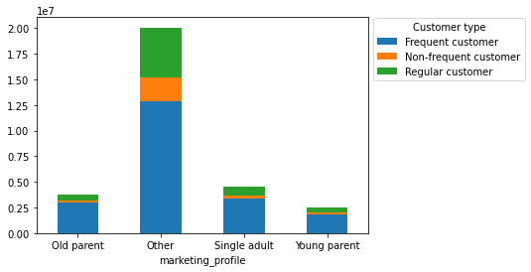
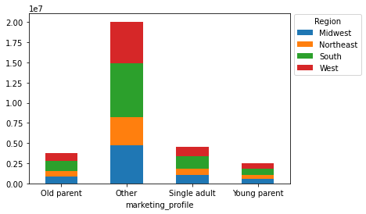
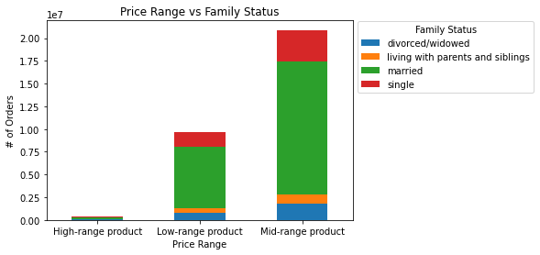
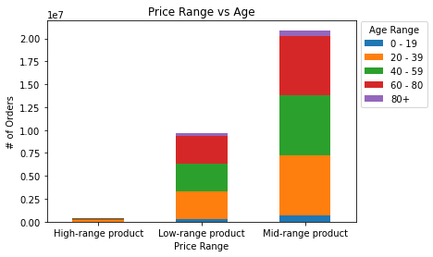
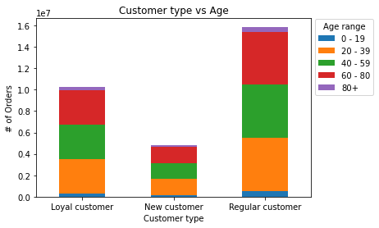
 |  |  |  |  |  |  | Title page

Visualisations

In this tab you should include all the visualtions from Exercises 4.9 and 4.10, alongside the questions from the project brief that they answer. Include any commentary on the relationship between different variables.

1. The sales team needs to know what the busiest days of the week and hours of the day are (i.e., the
days and times with the most orders) in order to schedule ads at times when there are fewer orders.
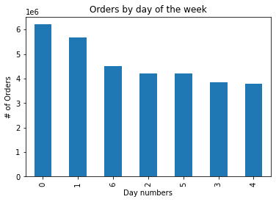
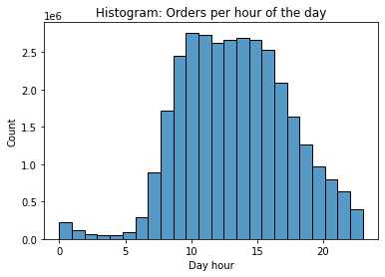

 |  | Legend
 |  | 0 = Saturday
 |  | 1 = Sunday
 |  | 2 = Monday
 |  | 3 = Tuesday
 |  | 4 = Wednesday
 |  | 5 = Thursday
 |  | 6 = Friday

 | Most orders are placed on the weekend, with Saturday as busiest day of the week
 | 10am is the busiest hour of the day, closely followed by 11am.

2. They also want to know whether there are particular times of the day when people spend the
most money, as this might inform the type of products they advertise at these times.

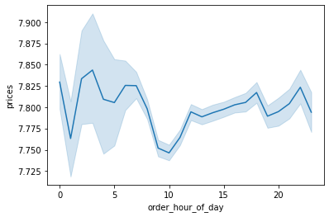
 | Line chart of expenditure depending on hour of the day

 | People spend the least amount of money at 10 & 11am
 | and spend the most money between 2 & 7am.

3. Instacart has a lot of products with different price tags. Marketing and sales want to use
simpler price range groupings to help direct their efforts.

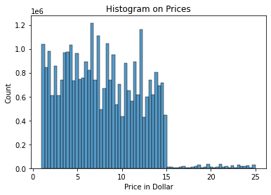

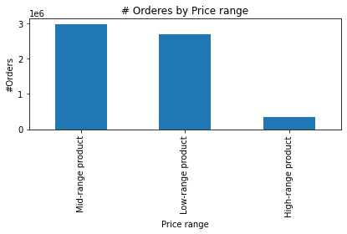

 | Most products bought are priced between $1 and $15.
 | As expected, high range products (over $15) are the least ordered products.

4. Are there certain types of products that are more popular than others? (Which departments
have the highest frequency of product orders?)

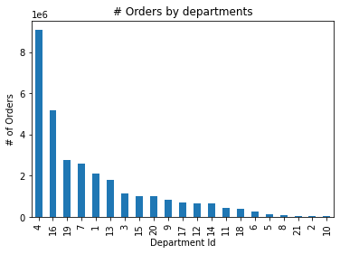
 |  |  | Department Id |  | Deptarment
 |  |  |  | 1 | frozen
 |  |  |  | 2 | other
 |  |  |  | 3 | bakery
 |  |  |  | 4 | produce
 |  |  |  | 5 | alcohol
 |  |  |  | 6 | international
 |  |  |  | 7 | beverages
 |  |  |  | 8 | pets
 |  |  |  | 9 | dry goods pasta
 |  |  |  | 10 | bulk
 |  |  |  | 11 | personal care
 |  |  |  | 12 | meat seafood
 |  |  |  | 13 | pantry
 |  |  |  | 14 | breakfast
 |  |  |  | 15 | canned goods
 |  |  |  | 16 | dairy eggs
 |  |  |  | 17 | household
 |  |  |  | 18 | babies
 |  |  |  | 19 | snacks
 |  |  |  | 20 | deli
 |  |  |  | 21 | missing

 | Produce is the most popular department.

5. The marketing and sales teams are particularly interested in the different types of customers
in their system and how their ordering behaviors differ.

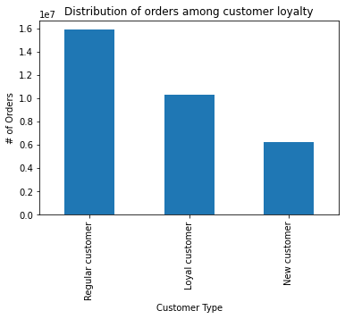
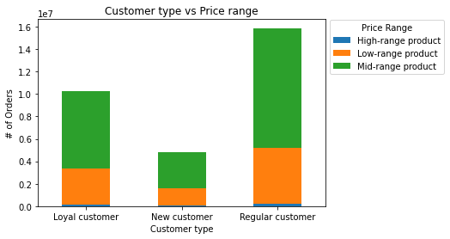

 | Regular customers purchase more products in each price range.

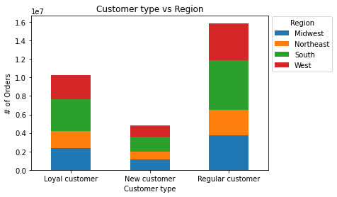

 |  |  |  |  |  | scatterplot for age against the fam_status column
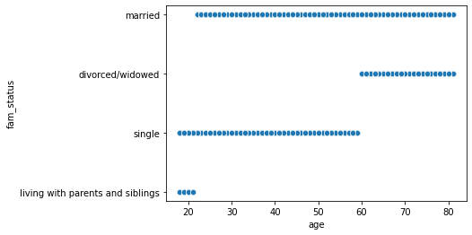

 | The 'South' region has the most regular, loyal and new customers

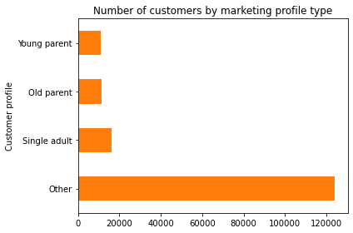
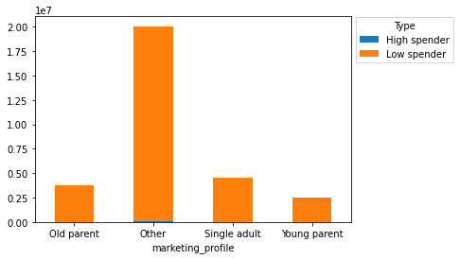

 | Singlel adults marketing profile purchase more products compared to thew other marketing profiles

7. Recommendations
 |  | Title page

Recommendations

In this tab you should include any recommendations you would made to Instcart in terms of their marketing strategy based on the questions posed in the brief. Every key question has been covered in the Tasks of the Exercises - here you need to add an item - a visualisation or table/crosstable that is showing the answer in the data, acompanied by a comment from you. Please, list the questions below and add the answer underneath.

Question | Answer
What are the busiest days of the week and busiest hours of the day? | Saturday is busiest day of the week folowed by Sunday.
 | The hours between 10:00 and 16:00 are the busiest hours of the week.
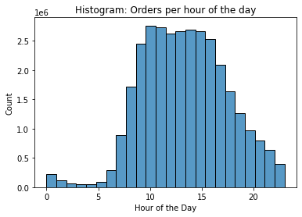

Question | Answer
What time of day do people spend the most money? | People spend the the most money between 2:00 and 7:00.

 | Line chart of expenditure depending on hour of the day

Question | Answer
Can the pricing system be simplier? How? | Most products bought are priced between $1 and $15.
 | High range products (over $15) are the least ordered products compared to the Low-range ( less than $5 ) and Mid-range ( $5 between $10) products.

Question | Answer
Which departments have the higest frequency of orders? | Produce is the most popular department folowwed by the diary eggs deparment.

 |  |  | Dep Id | Deptarment
 |  |  | 1 | frozen
 |  |  | 2 | other
 |  |  | 3 | bakery
 |  |  | 4 | produce
 |  |  | 5 | alcohol
 |  |  | 6 | international
 |  |  | 7 | beverages
 |  |  | 8 | pets
 |  |  | 9 | dry goods pasta
 |  |  | 10 | bulk
 |  |  | 11 | personal care
 |  |  | 12 | meat seafood
 |  |  | 13 | pantry
 |  |  | 14 | breakfast
 |  |  | 15 | canned goods
 |  |  | 16 | dairy eggs
 |  |  | 17 | household
 |  |  | 18 | babies
 |  |  | 19 | snacks
 |  |  | 20 | deli
 |  |  | 21 | missing

Question | Answer
What is the distribution of customers who use instacart most often? | Regular customers and the loyal customers are the most important customers.

 | Answer
 | No significant difference in ordering based on customer region.

Question | Answer
Is there a connection between age and family status in terms of ordering habits? | Married customers order significantly more compared to the other customers in the Lowrange and Mid range products.

 | Answer
 | Customers between the ages of 20 and 80 are almost evenly distributed in the categories customer type and price range.

